Sheet1
 | TO ORDER CALL TOLL FREE!
 | 1-888-300-7800

CUSTOM CALENDAR COST CALCULATOR

QUANTITY | 1000 | Minimum 100 Calendars!

ITEM | OPTION | UNIT | EXTENDED
BASIC Calendar - Includes: 1 Picture/Page - Select from our (4) Basic Designs | YES | $8.10 | $8,100.00
OPTIONAL - 2 Pictures/Page Layout | NO | $360.00 | $0.00
OPTIONAL - 4 Pictures/Page Layout | NO | $720.00 | $0.00
OPTIONAL - Child's Photo and Profile Info | NO | $390.00 | $0.00
OPTIONAL - Special Elements such as: Logos, Important Dates, Tips, Slogans, Etc. | NO | $250.00 | $0.00
OPTIONAL - Work-Shift Schedules | NO | $360.00 | $0.00
OPTIONAL - Bottom Flap (500 Minimum) | NO | $0.25 | $0.00
OPTIONAL - Moon Phases | NO | $50.00 | $0.00
OPTIONAL - Coil Binding | NO | $1.10 | $0.00
OPTIONAL - Full Custom Design Does not Include Any Scans | NO | $1,500.00 | $0.00
OPTIONAL - NEW! UV Coat Front Cover High Gloss Finish! | NO | $0.00 | $0.00
OPTIONAL - Additional Scans (Qty) | 0 | $15.00 | $0.00
 |  | SUB TOTAL | $8,100.00

SPECIAL COST ADJUSTMENT: | 0 | $0.00 | $0.00
 |  | TOTAL | $8,100.00

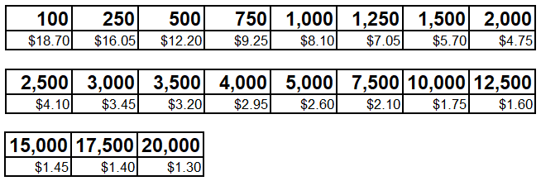
Price for Basic Design Calendar (1 Picture/Page)

Official Version: Revised 2022-06-22

